Reports
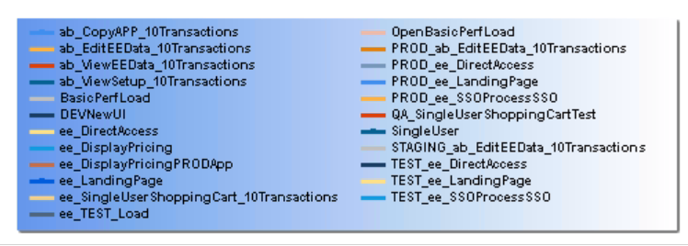
 | TFS Report on Performace Trend
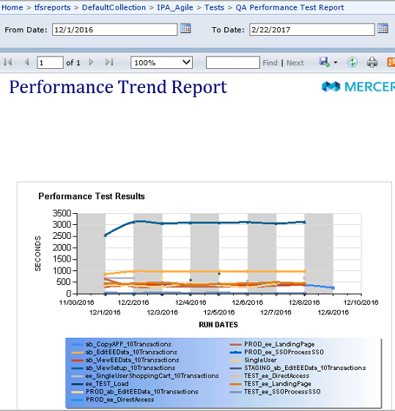

List of Test executed from Jan 2016 to Dec 2016

